in plane 1
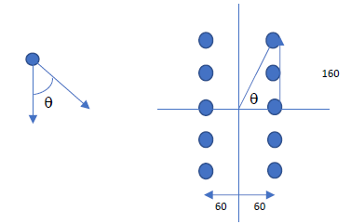
 | Determine the safe load P that can be carried by the joint shown in Fig. The bolts used are 20 mm diameter of grade 4.6. The thickness of the flange of I-section is 9.1 mm and that of bracket plate 10 mm. For Fe410 steel : fu = 410 Mpa For bolts bolts of grade 4.6: fub = 400 MPa Partial safety factor for the material of bolt: γmb = 1.25 Anb = stress area of 20 mm diameter bolt = 245 mm2

 |  |  |  |  |  |  |  | Pex/R2 | Pey/r2

 |  |  |  |  | x | y | R2 | sx | sy | sy1 |  | x | Y | R2 | sx | sy
 |  |  |  |  | -60 | 160 | 29200 | 0.19512195122 | -0.17317073171 | -0.1 | 0.26088441534 | 60 | 160 | 29200 | 0.19512195122 | -0.026829268293 | -0.1 | 0.19695782667
 |  |  |  |  | -60 | 80 | 10000 | 0.09756097561 | -0.17317073171 | -0.1 | 0.19876178275 | 60 | 80 | 10000 | 0.09756097561 | -0.026829268293 | -0.1 | 0.10118277323
 |  |  |  |  | -60 | 0 | 3600 | 0 | -0.17317073171 | -0.1 | 0.17317073171 | 60 | 0 | 3600 | 0 | -0.026829268293 | -0.1 | 0.026829268293
Solution: |  |  |  |  | -60 | -80 | 10000 | -0.09756097561 | -0.17317073171 | -0.1 | 0.19876178275 | 60 | -80 | 10000 | -0.09756097561 | -0.026829268293 | -0.1 | 0.10118277323
 | Given |  |  |  | -60 | -160 | 29200 | -0.19512195122 | -0.17317073171 | -0.1 | 0.26088441534 | 60 | -160 | 29200 | -0.19512195122 | -0.026829268293 | -0.1 | 0.19695782667
 | Dia of bolt (d) | 20 | mm |  |  |  | 82000 |  |  |  |  |  |  | 82000
 | pitch (p) | 80 | mm |  |  | SUM r2 | 164000
 | edge distance (e) | 40 | mm
 | eccentricity (e0) | 200 | mm |  |  |  | 173.50312415
 | fu | 410 | MPa
 | fub | 400 | MPa |  |  |  | #DIV/0!
 | γmb | 1.25
 | dia of hole (do) | 22 | mm |  |  |  | #DIV/0!
 | t | 9.1 | mm |  |  |  | #DIV/0!
 | Anb | 245 | mm2
 |  |  |  |  | x | y | R2 | sx | sy | sy1
 | Strength of the bolt in single shear |  |  |  | -60 | 160 | 29200 | -0.073170731707 | 0.19512195122 |  | 0.20839033525 | 0.35112344159
 |  |  |  |  | -60 | 80 | 10000 | -0.073170731707 | 0.09756097561 |  | 0.12195121951
 | Vdsb = Anb * (fub/√3*γm0) | 45.264261104 | KN |  | -60 | 0 | 3600 | -0.073170731707 | 0 |  | 0.073170731707
 |  |  |  |  | -60 | -80 | 10000 | -0.073170731707 | -0.09756097561 |  | 0.12195121951
 | Strength of the bolt in bearing, |  |  |  | -60 | -160 | 29200 | -0.073170731707 | -0.19512195122 |  | 0.20839033525

 | kb is least of
 | e/3do | 0.61
 | P/3do-0.25 | 1.21
 | fub/fu | 0.98
 | 1 | 1.00
 | Therefore, kb is | 0.61

 | Vdpb=2.5*kb*d*t*fu/γmb | 90.45 | KN

 | Therefore, strength of bolt is
 | Vsd | 45.26 | KN

 | Let P1 be the factored load
 | Service load is P = P1/1.5

 | The bolt which is stressed maximum is A.
 | Total number of bolts in the joint (n) | 10

 | The direct force, F1 = P1/n | P1/10
 | F1 interms of P1 | 0.10

 | The force in the bolt due to torque, F2=P1*e0*rn/Σr2

 | rn | 170.88 | mm | 6

 | Σr2 |  | mm2

 | Cos θ | 0.351

 | F2 in terms of P1 | #DIV/0!

 | Equate resultant force of F1 and F2 with Vsd

 | P1 | #DIV/0! | KN

 | Therefore, P | #DIV/0! | KN

right angle to flange
 | Design a connection for a bracket using M20 bolt and property class 4.6 to carry a factored vertical load of 200KN acting at 300 mm from the face of the column. The grade of the steel is E250 (the thickness of the bracket, t = 12 mm) and the bracket is connected by 2 angles of angle 100*100 *10.

Solution:
 | P | 200 | KN
 | e1 | 300 | mm
 | e2 | 240 | mm
 | ultimate strength of bolt (fub) | 400 | MPa
 | dia of bolt | 20 | mm
 | dia of hole | 22 | mm
 | γm0 | 1.25
 | γm1 | 1.1
 | fu | 410 | MPa
 | thickness of angle | 10 | mm

 | The moment due to eccentricity,
 | M = Pe | 60 | KNm

 | Yeild strength of bolt (fyb) | 240 | MPa
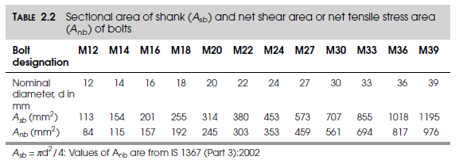
 | Design of bolt "A"

 | Bolts A are subjected to single shear and the assuming shear plane lies in the shank of bolts

 | For 20 mm bolt, Asb | 314.2 | mm2
 | Anb | 245 | mm2
 | Vnsb = Anb*(fub/√3) | 72.5 | KN

 | Vdsb = Vnsb/γm0 | 58.0 | KN

 | Tension capacity
 | Tdbg = fyb*Asb/γm0 | 68.55 | KN

 | Tdbn = 0.9*fub*Anb/γmb | 70.56 | KN

 | Therefore Tdb = | 68.55 | KN

 | Assumed. Pitch of bolt(p) | 60 | mm
 | edge distance | 40 | mm
 | number of vertical lines of bolt (m) | 2

 | Therefore number of bolts will be n = (6M/mpVdsb)^0.5 | 6.62
 | Round of bolts (n) | 7

 | The total number of bolts in both the planes (N) | 14

 | Therefore the depth of bracket is h | 440 | mm

 | the neutral axis will be at h/7 from the bottom of bracket | 62.86
 | round of neutral axis | 63

 | y1 | 37 | mm
 | y2 | 97 | mm
 | y3 | 157 | mm
 | y4 | 217 | mm
 | y5 | 277 | mm
 | y6 | 337 | mm

 | Σy2 | 545628

 | Tension in bolt, Tb = P*e*yn/Σy2 | 37.06 | KN

 | Shear force in each bolt, Vsb = P/N | 14.29 | KN

 | check for interaction equation, (Vsb/Vdb)2+(Tb/Tdb)2< 1 | 0.35

 | Therefore the above equation satifies but it is much less than 1. There is a scope of reducing the number of bolts.

 | Assume reduced bolts are | 12

 | Therefore, h will be | 380

 | the neutral axis, h/7 | 54
 | round off neutral axis | 54

 | y1 | 46 | mm
 | y2 | 106 | mm
 | y3 | 166 | mm
 | y4 | 226 | mm
 | y5 | 286 | mm

 | Σy2 | 347560

 | Tension in bolt, Tb = P*e*yn/Σy2 | 49.37 | KN

 | Shear force in each bolt, Vsb = P/N | 16.67 | KN

 | check for interaction equation, (Vsb/Vdb)2+(Tb/Tdb)2< 1 | 0.60

 | Check for bearing

 | kb is least of
 | e/3do | 0.61
 | P/3do-0.25 | 0.66
 | fub/fu | 0.98
 | 1 | 1.00

 | Therefore, kb = | 0.61

 | Vnpb = 2.5*kb*d*t*fu | 124.24 | KN

 | Vdpb = Vnpb/γm0 | 99.39 |  | > | 16.67 | Pass

 | Design of bolts ‘B’

 | These bolts are subjected to direct shear and twisting.
 | The twisting moment, M | 48 | KNm

 | As these bolts are in double shear
 | Vdsb = 2*Vdsb1 | 116.02

 | Since there is only one vertical line of bolts, m = | 1.00

 | therefore, number of bolt will be n=(6M/mpVdsb)^0.5 | 6.43
 | Round of bolts | 7.00

 | Σr2 | 100800 | mm2

 | V1x = M*r/Σr2 | 85.71 | KN

 | V1y = P/n | 28.57

 | V1 = (V1x2+V1y2)0.5 | 90.35 | < | 116.02

Plate girder
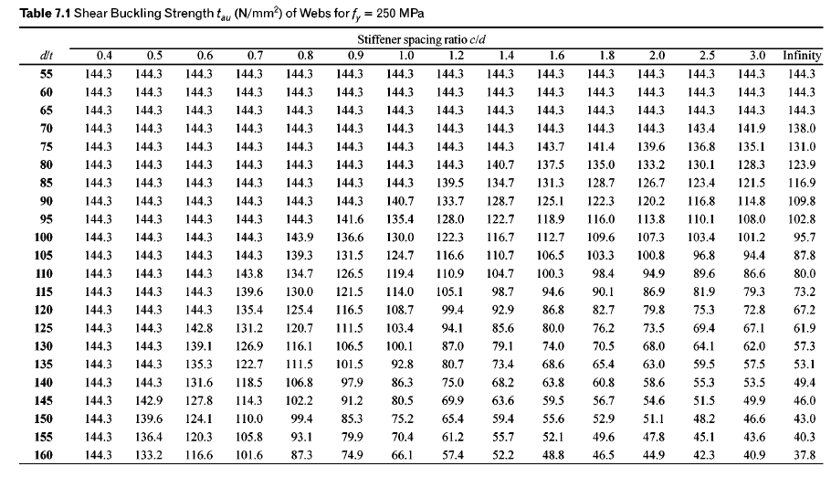
Q1 | The plate girder is required to carry a factored shear of 2800 kN for d 1500 mm and tw 15mm. (a) Assuming that tension field action is not utilized in the design, determine whether intermediate stiffeners are necessary. Assume f, = 250 N-mm. b) How thick must the web be in order that this same load may be carried without the need for intermediate stiffeners?
 |  |  |  |  |  |  |  |  |  |  |  |  |  |  |  |  | 588
 |  |  |  |  |  |  |  |  |  |  |  |  |  |  |  |  |  | 35
 |  |  |  |  |  | From Table
 | c | c/d | d | t | d/t | d/t 1 | d/t 2 | tb 1 | tb2 | tb | Vn(KN)
1 | inf | inf | 1500 | 15 | 100 | 95 | 100 | 102.8 | 95.7 | 95.7 | 2153.25
2 | 1500 | 1 | 1500 | 18 | 83.33 | 80 | 85 | 123.9 | 116.9 | 119.23 | 3219.3
Q2 | Design a welded plate girder for a simply supported bridge deck beam with clear span of 20 m, subjected to the following: Dead load including self weight = 20 kN/m Imposed load = 10 kN/m Moving loads = 450 kN |  |  |  |  |  |  |  |  |  |  |  |  |  | 1200 | 12

 | if d/tw =67 tmin is 19.4mm section is plastic compact section and can be consider as rolled section
 | L m | DL | IL | Fac. UDL | BM UDL | SF UDL | Ra | BM Ra | SF Ra | Max. BM | Max. SF
1 | 20 | 20 | 10 | 45 | 2250 | 450 | 450 | 2250 | 450 | 4500 | 900
1 | 20 | 20 | 10 | 45 | 2250 | 450 | 450 | 2250 | 450 | 4500 | 900
2 | 20 | 20 | 10 | 45 | 2250 | 450 | 450 | 2250 | 450 | 4500 | 900 |  |  |  |  |  | 588
3 | 20 | 20 | 10 | 45 | 2250 | 450 | 450 | 2250 | 450 | 4500 | 900
4 | 20 | 20 | 10 | 45 | 2250 | 450 | 450 | 2250 | 450 | 4500 | 900
5 | 20 | 20 | 10 | 45 | 2250 | 450 | 450 | 2250 | 450 | 4500 | 900
6 | 20 | 20 | 10 | 45 | 2250 | 450 | 450 | 2250 | 450 | 4500 | 900 |  |  |  |  |  |  |  |  | 3240000
7 | 20 | 20 | 10 | 45 | 2250 | 450 | 450 | 2250 | 450 | 4500 | 900 |  |  |  |  |  |  |  |  | 140.76019291
8 | 20 | 20 | 10 | 45 | 2250 | 450 | 450 | 2250 | 450 | 4500 | 900

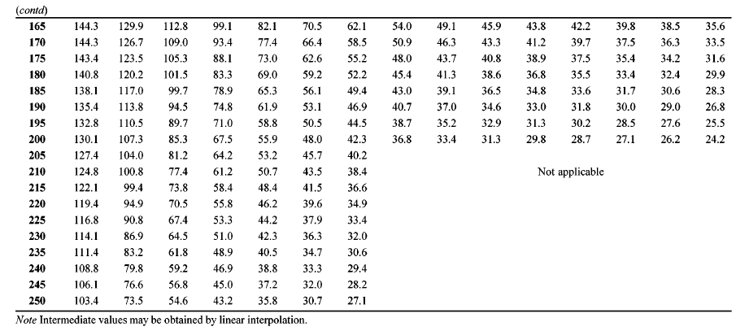
 | opt. depth of girder | opt. tw | d | tw | d/tw | Zp | Md | af | b/tf | b | tf | af/tf | assume B | c/d | tb | Vn | c | I | I/y/2
1 | 1375.56 | 23.63 | 1200.00 | 18.00 | 66.67 | 26890654.17 | 6111.51 | 16500.00 | 8.40 | 588.00 | 35.00 | 471.43 | 480.00 | 16.67 | 95.70 | 2067.12 | 20000.00 | 16134392500.00 | 26890654.17
1 | 1375.56 | 23.63 | 1200.00 | 12.00 | 100.00 | 25688240.00 | 5838.24 | 16500.00 | 8.40 | 588.00 | 35.00 | 471.43 | 480.00 | 16.67 | 95.70 | 1378.08 | 20000.00 | 15412944000.00 | 25688240.00
2 | 1375.56 | 23.63 | 1200.00 | 10.00 | 120.00 | 25287435.28 | 5747.14 | 16500.00 | 8.40 | 588.00 | 35.00 | 471.43 | 480.00 | 16.67 | 67.20 | 806.40 | 20000.00 | 15172461166.67 | 25287435.28
3 | 1375.56 | 23.63 | 1200.00 | 10.00 | 120.00 | 25287435.28 | 5747.14 | 16500.00 | 8.40 | 588.00 | 35.00 | 471.43 | 480.00 | 2.00 | 79.80 | 957.60 | 2400.00 | 15172461166.67 | 25287435.28
4 | 1375.56 | 23.63 | 1200.00 | 8.00 | 150.00 | 24886630.56 | 5656.05 | 16500.00 | 8.40 | 588.00 | 35.00 | 471.43 | 480.00 | 1.00 | 75.20 | 721.92 | 1200.00 | 14931978333.33 | 24886630.56
5 | 1375.56 | 23.63 | 1200.00 | 8.00 | 150.00 | 24886630.56 | 5656.05 | 16500.00 | 8.40 | 588.00 | 35.00 | 471.43 | 480.00 | 0.83 | 95.00 | 912.00 | 1000.00 | 14931978333.33 | 24886630.56
6 | 1375.56 | 23.63 | 1400.00 | 8.00 | 175.00 | 29636016.67 | 6735.46 | 14142.86 | 8.40 | 588.00 | 35.00 | 404.08 | 480.00 | 1.00 | 55.20 | 618.24 | 1400.00 | 20745211666.67 | 29636016.67
7 | 1375.56 | 23.63 | 1400.00 | 8.00 | 175.00 | 29636016.67 | 6735.46 | 14142.86 | 8.40 | 588.00 | 35.00 | 404.08 | 480.00 | 0.80 | 73.00 | 817.60 | 1120.00 | 20745211666.67 | 29636016.67
8 | 1375.56 | 23.63 | 1400.00 | 8.00 | 175.00 | 29636016.67 | 6735.46 | 14142.86 | 8.40 | 588.00 | 35.00 | 404.08 | 480.00 | 0.70 | 88.10 | 986.72 | 980.00 | 20745211666.67 | 29636016.67

Web angle connection 11.3
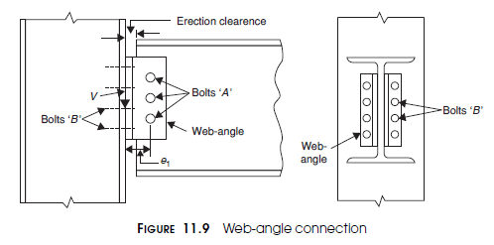
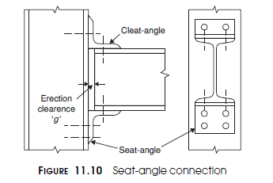
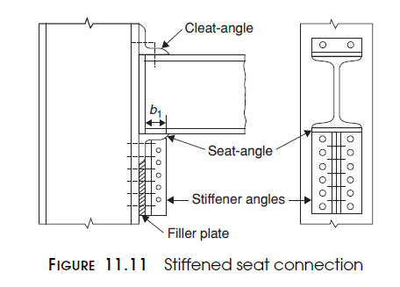
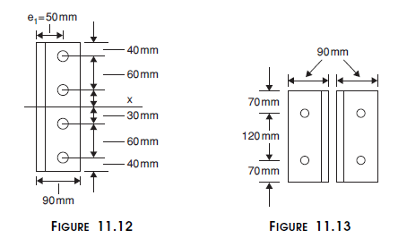
Design a web-angle connection for a beam MB350 @ 52.4 kg/m which transfers a factored end shear of 200 kN to the flange of the column HB 300 @ 63 kg/m. Use M20 bolts of product Grade C and property class 5.6. fub = 500 Mpa
 |  |  |  |  | Dia. Of bolt | Hole dia | Asb | Anb
Step 1 |  | fub | 500 |  | 12 | 13 | 113 | 84
Design of Bolt A in shear |  | fu | 410 | MPa | 14 | 15 | 154 | 115
 |  | γmb | 1.25 |  | 16 | 18 | 201 | 157
The bolts are in double shear. As shoun in fig 11.9 |  | Dia. Of bolt | 20 | mm | 18 | 20 | 255 | 192
Vub = the nominal shear capacity of a bolt is |  | Dia. Of hole | 22 | mm | 20 | 22 | 314 | 245
 |  | Max. Pitch |  | mm | 22 | 24 | 380 | 303
 |  | Max. edge distance |  | mm | 24 | 26 | 453 | 353
 |  | Pitch provided | 60 | mm | 27 | 30 | 573 | 549
Vub = | 141.45 | Edge provided | 40 | mm
 |  | Load | 200 | KN
Vdsb = | 113.16

Design of Bolt A in bearing
Kb |  | 0.61
1 | 0.61
2 | 0.66
3 | 1.22
4 | 1

The thickness of the web of the beam = mm |  | 8.1

Vnpb = 2.5kb dtfu | 122.73 | KN

Vdpb = | 98.18 | KN

The design strength of the bolt, Vdb = |  | 98.18 | KN

 |  | e1 = | 50 | mm | From bolt arrengnemt
 |  | gauge = | 90 | mm
Using 2 ∠ 90 90 × 8, e1 = 50 mm (gauge for 90 mm leg, Appendix A) The twisting moment, M = 200 × 50/1,000 = 10 kNm For a single vertical line of bolts, m = 1
 | Twisting Moment = | 10 | KN
number of bolt

 | 3.1914236925 | bolt
4 bolt may be provided in single line |  | 4

Four bolts may be provided as shown in Figure 11.12.

ri^2 = | 18000 | mm2
from fig. 11.12

twisting force in single bolt is = | 50 | KN

force in bolt due to direct shaer = | 50 | KN

combined effict of twisting and direct shear | 70.71 | < | 98.18 | ok

Step 2
Design of Bolt B | Us 22mm bolt

These bolts are in single shear.

Vub = | 87.47 | KN

Vdsb = | 69.97 | KN

Number of bolt = | 2.86 | bolt
say bolt provided | 3 | bolt

Four bolts are provided, 2 in each leg of angle as shown in Figure 11.13.

edge provided | 70 | mm
pitch provided | 120 | mm
Kb = |  | 1.00
 | 1.06
 | 1.57
 | 1.22
 | 1

thickness of plate | 8 | mm
Vnpb = | 164 | KN

Vdpb = | 131.2 | KN | > | 69.97 | OK
Bolt value | 69.97 | KN

 | 209.92 | KN | > | 200 | Not OK

seat angle connection
Design a seat-angle connection between a beam MB300and column SC 200 for a reaction of beam 100 KN using M20 bolts of property class 4.6. fub = 400 Mpa and fu 410 MPa and fy 250
 |  |  |  |  | Dia. Of bolt | Hole dia | Asb | Anb
Step 1 | use 20 mm bolt | fub | 400 |  | 12 | 13 | 113 | 84
Design of Bolts in shear |  | fu | 410 | MPa | 14 | 15 | 154 | 115
 |  | γmb | 1.25 |  | 16 | 18 | 201 | 157
 |  | Dia. Of bolt | 20 | mm | 18 | 20 | 255 | 192
Vub = the nominal shear capacity of a bolt is |  | Dia. Of hole | 22 | mm | 20 | 22 | 314 | 245
 |  | Max. Pitch |  | mm | 22 | 24 | 380 | 303
 |  | Max. edge distance |  | mm | 24 | 26 | 453 | 353
 |  | Pitch provided | 55 | mm | 27 | 30 | 573 | 549
Vub = | 56.58 | Edge provided | e | mm
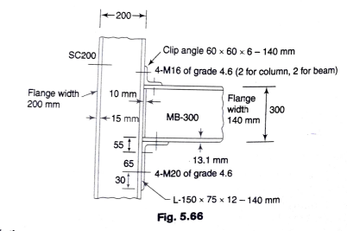
 |  | Load | 100 | KN
Vdsb = | 45.26 | fy | 250 | KN

Design of Bolt A in bearing
Kb |  | #VALUE! |  |  | ISMB 300
1 | #VALUE! |  |  |  | tw | 7.7 | mm
2 | 0.66 |  |  |  | tf | 13.1 | mm
3 | 0.98 |  |  |  | radius of fillet or root | 14 | mm
4 | 1 |  |  |  | depth of section | 300 | mm

The thickness of the fl ange of the column SC200 = 15 mm The bolts connecting the seat-angle to the column are in single shear |  | 15 | mm

Vnpb = 2.5kb dtfu | #VALUE! | KN |  |  | angle 150x 75 x 12
 |  |  |  |  | t | 12 | mm
Vdpb = | #VALUE! | KN |  |  | ra | 10 | mm

The design strength of the bolt, Vdb = |  | #VALUE! | KN

Number of bolt required = | #VALUE! | bolt
say bolt provided | 4 | bolt

Width of ISMB 300 | 140 | mm

Therefore,
length of angle | 140 | mm

length of bearing required at root line of beam = R/(tw.fyw/ γm0) | 47.23 | mm

Assume end clearance of beam from face of column as 5 mm and tolerance of 5 mm.

Required length of outstanding leg | 57.23 | mm | < | 75 | TRUE

Length of bearing on cleat (b1 = b - (Tf+r)) | 30.13 | mm

From 150 x 75 x 12, distance from the end of bearing on cleat to root angle (A to B) in fig

b2 = b1 + g - (t+ra)
where g is clearance and tolerance
ra is root radius of angle
ta is thickmess of angle

b2 = b1 + 5 + 5 - (t+ra) | 18.13

Assume uniformly distributed load over bearing length b1

Moment at root of angle | R*(b2/b1)*(b2/2)
Moment at root of angle | 545.27525707 | Nm

Moment capacity | 1.2 * Z * Fy / γm0
Moment capacity | 916.36363636 | Nm | > | 545.27525707 | TRUE

Therefore, provide 150 x 75 x 12 mm seating angle

Shear capacity of outstanding leg of cleat | wtfy/(sqrt3 x γm0)

Shear capacity of outstanding leg of cleat | 220.44283005 | KN | > | 100 | TRUE

Shear strength of beam | Vd = Av x fyw /(sqrt3 *1.1)

Shear strength of beam | 303.10889132 | KN | > | 100 | TRUE

